Dashboard
Total Spend | Total Leads | Average CPL | Overall Conversion Rate %
25664387.39 | 3296 | 2312.29 | 15.67
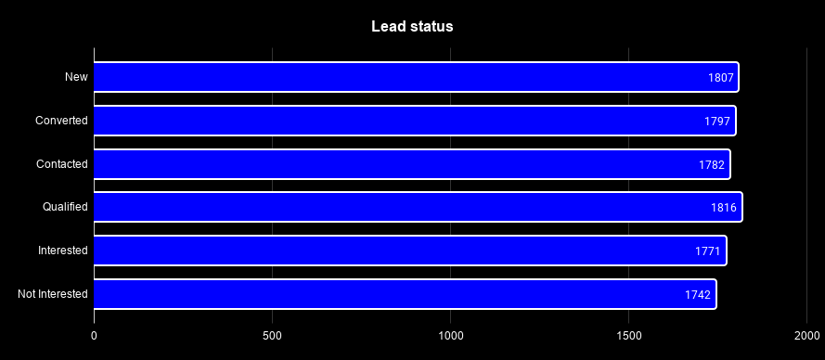

Monthly Spend vs Leads
Lead Split by Platform

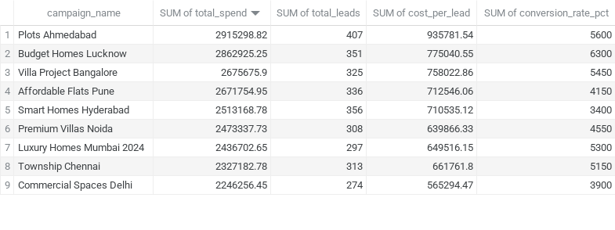
Leads by city
Full Funnel Chart

